New Customer Bug Report
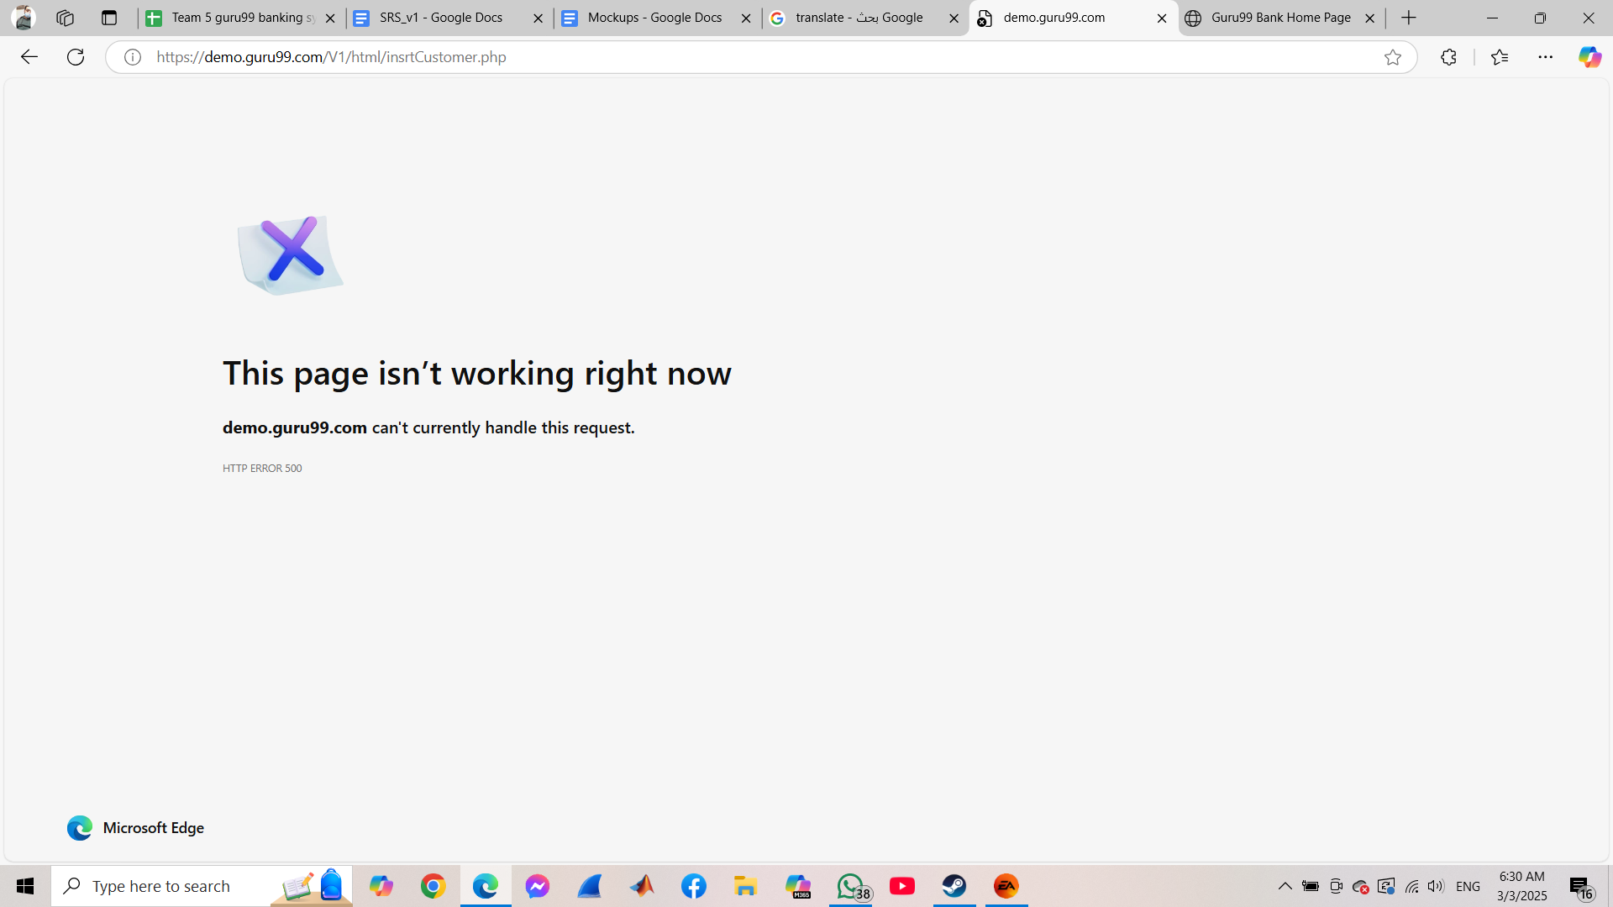
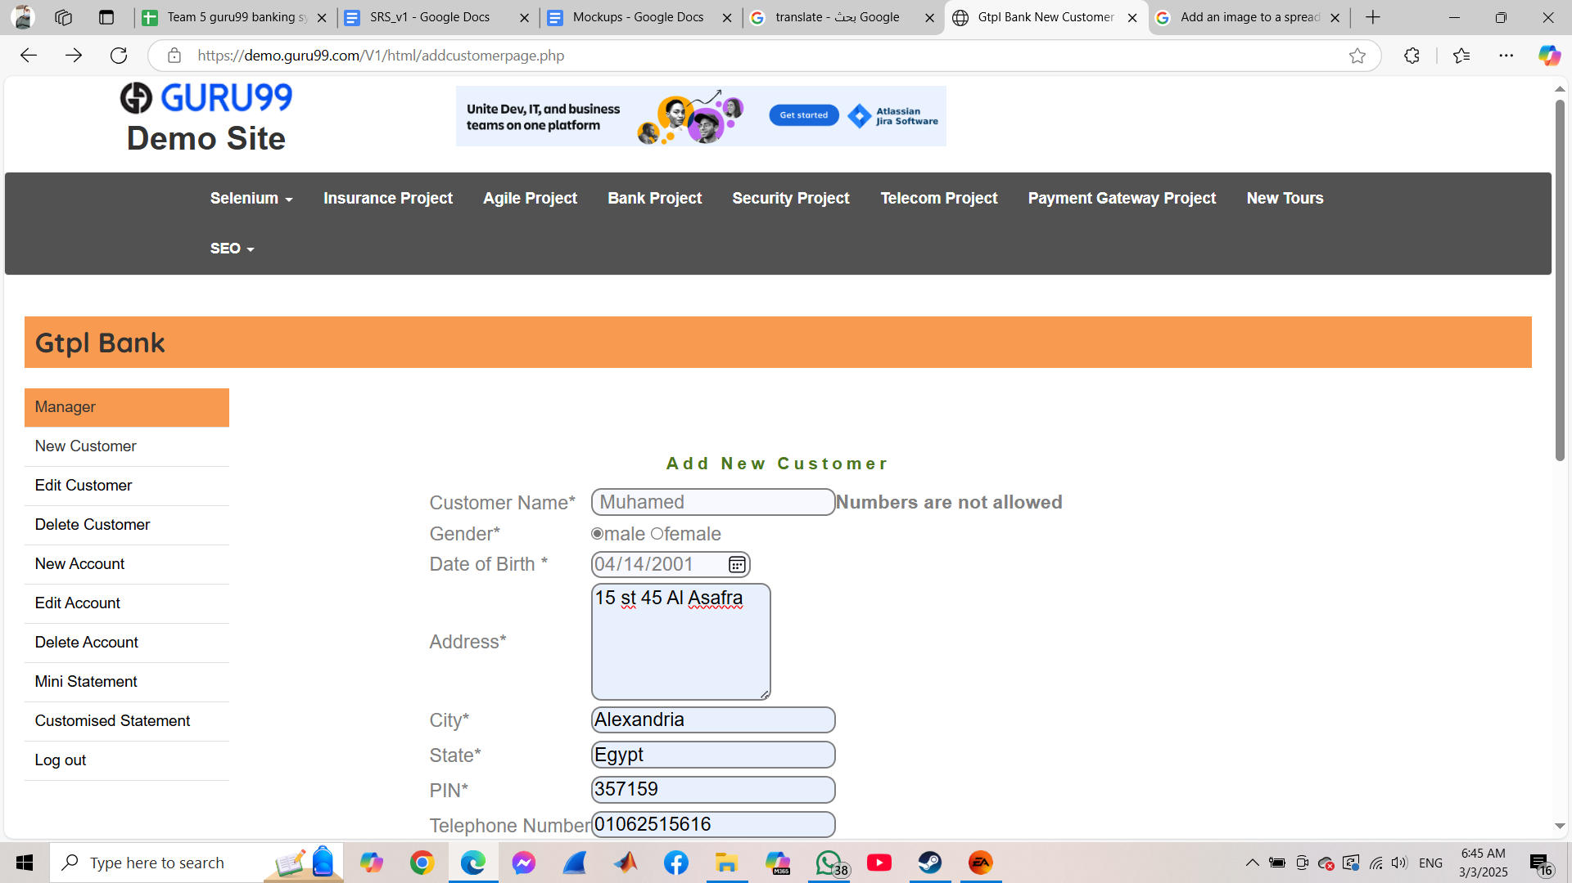
ID | Related TC | Description | Pre-Condition | Steps to reproduce | Priority | Severity | Created by | Assigned to | Expected Result | Actual Result | Attachments | status
Bug_NewCustomer_01 | newCustomer-TC1 | The Website Crashed and the manager was told that "demo.guru99.com can't currently handle this request." | - internet is stable - Microsoft Edge Browser is opened - Url is Opened - Manager logged in | - new customer page opened - provide a valid customer Name "Muhamed" - click on "male" gender - provide the date of birth "14-4-2001" - provide a valid address "15st 45 Al Asafra" - provide a valid city name "Alexandria" - provide a valid state name "Egypt" - provide a valid pin "357159" - provide a valid telephone number "01062515616" - provide a valid email address "muhamedfawzii14@gmail.com" - click submit | High | High | Muhamed Fawzy | Development Team | Customer Add Successfully | The Website Crashed and the manager was told that "demo.guru99.com can't currently handle this request." |  | Solved
Bug_NewCustomer_02 | newCustomer-TC6 | The Website told the manager numbers are not allowed after starting customer name's field with a space | - internet is stable - Microsoft Edge Browser is opened - Url is Opened - Manager logged in | - new customer page opened - provide a space in the begining in a valid customer Name " Muhamed" - click on "male" gender - provide the date of birth "14-4-2001" - provide a valid address "15st 45 Al Asafra" - provide a valid city name "Alexandria" - provide a valid state name "Egypt" - provide a valid pin "357159" - provide a valid telephone number "01062515616" - provide a valid email address "muhamedfawzii14@gmail.com" - click submit | Medium | Medium | Muhamed Fawzy | Development Team | The website should tell the manager that the Customer name field cannot start with a Space | The Website told the manager numbers are not allowed |  | Solved

Bug_NewCustomer_03 | newCustomer-TC7 | Website didn't show an error message and crashed after submeting without providing an address | - internet is stable - Microsoft Edge Browser is opened - Url is Opened - Manager logged in | - new customer page opened - provide a valid customer Name "Muhamed" - click on "male" gender - provide the date of birth "14-4-2001" - leave address field empty - provide a valid city name "Alexandria" - provide a valid state name "Egypt" - provide a valid pin "357159" - provide a valid telephone number "01062515616" - provide a valid email address "muhamedfawzii14@gmail.com" - click submit | High | High | Muhamed Fawzy | Development Team | The website should tell the manager that the address field cannot be blank | Website didn't show an error message and crashed after submeting without providing an address |  | Solved
Bug_NewCustomer_04 | newCustomer-TC8 | Website didn't show an error message and crashed after submeting with providing an space started address | - internet is stable - Microsoft Edge Browser is opened - Url is Opened - Manager logged in | - new customer page opened - provide a valid customer Name "Muhamed" - click on "male" gender - provide the date of birth "14-4-2001" - provide a valid address " 15st 45 Al Asafra" - provide a valid city name "Alexandria" - provide a valid state name "Egypt" - provide a valid pin "357159" - provide a valid telephone number "01062515616" - provide a valid email address "muhamedfawzii14@gmail.com" - click submit | High | High | Muhamed Fawzy | Development Team | The website should tell the manager that the address field cannot start with a Space | Website didn't show an error message and crashed after submeting with providing a space started address |  | Solved
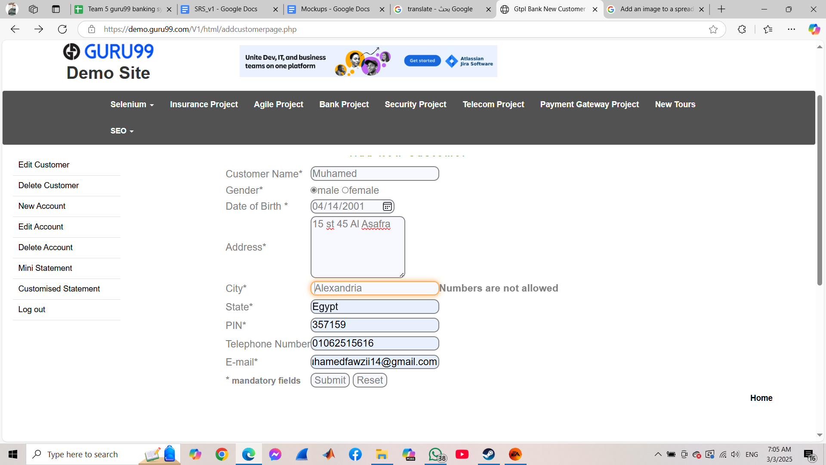
Bug_NewCustomer_05 | newCustomer-TC9 | Website didn't show an error message and crashed after submeting with providing special characters in address | - internet is stable - Microsoft Edge Browser is opened - Url is Opened - Manager logged in | - new customer page opened - provide a valid customer Name "Muhamed" - click on "male" gender - provide the date of birth "14-4-2001" - provide a valid address "$15st 45 Al Asafra" - provide a valid city name "Alexandria" - provide a valid state name "Egypt" - provide a valid pin "357159" - provide a valid telephone number "01062515616" - provide a valid email address "muhamedfawzii14@gmail.com" - click submit | High | High | Muhamed Fawzy | Development Team | The website should tell the manager that the address field cannot contain a Special Character | Website didn't show an error message and crashed after submeting with providing special characters in address |  | Solved
Bug_NewCustomer_06 | newCustomer-TC13 | The Website told the manager numbers are not allowed after starting city's field with a space | - internet is stable - Microsoft Edge Browser is opened - Url is Opened - Manager logged in | - new customer page opened - provide a valid customer Name "Muhamed" - click on "male" gender - provide the date of birth "14-4-2001" - provide a valid address "15st 45 Al Asafra" - provide a valid city name begins with a space " Alexandria" - provide a valid state name "Egypt" - provide a valid pin "357159" - provide a valid telephone number "01062515616" - provide a valid email address "muhamedfawzii14@gmail.com" - click submit | Medium | Medium | Muhamed Fawzy | Development Team | The website should tell the manager that the City field cannot start with a Space | The Website told the manager numbers are not allowed after starting city's field with a space |  | Solved
Bug_NewCustomer_07 | newCustomer-TC17 | The Website told the manager numbers are not allowed after starting state's field with a space | - internet is stable - Microsoft Edge Browser is opened - Url is Opened - Manager logged in | - new customer page opened - provide a valid customer Name "Muhamed" - click on "male" gender - provide the date of birth "14-4-2001" - provide a valid address "15st 45 Al Asafra" - provide a valid city name "Alexandria" - provide a valid state name with a space in the begining " Egypt" - provide a valid pin "357159" - provide a valid telephone number "01062515616" - provide a valid email address "muhamedfawzii14@gmail.com" - click submit | Medium | Medium | Muhamed Fawzy | Development Team | The website should tell the manager that the City field cannot start with a Space | The Website told the manager numbers are not allowed after starting state's field with a space |  | Solved
Bug_NewCustomer_08 | newCustomer-TC20 | No error message appeared and website Crashed when starting pin with a space | - internet is stable - Microsoft Edge Browser is opened - Url is Opened - Manager logged in | - new customer page opened - provide a valid customer Name "Muhamed" - click on "male" gender - provide the date of birth "14-4-2001" - provide a valid address "15st 45 Al Asafra" - provide a valid city name "Alexandria" - provide a valid state name "Egypt" - provide a valid pin with a space in the begining " 357159" - provide a valid telephone number "01062515616" - provide a valid email address "muhamedfawzii14@gmail.com" - click submit | High | High | Muhamed Fawzy | Development Team | The website should tell the manager that the pin field cannot start with a Space | No error message appeared and website Crashed when starting pin with a space |  | Solved
Bug_NewCustomer_09 | newCustomer-TC27 | No error message appeared and website Crashed when starting telephone number with a space | - internet is stable - Microsoft Edge Browser is opened - Url is Opened - Manager logged in | - new customer page opened - provide a valid customer Name "Muhamed" - click on "male" gender - provide the date of birth "14-4-2001" - provide a valid address "15st 45 Al Asafra" - provide a valid city name "Alexandria" - provide a valid state name "Egypt" - provide a valid pin "357159" - provide a valid telephone number with a space in the begining " 01062515616" - provide a valid email address "muhamedfawzii14@gmail.com" - click submit | High | High | Muhamed Fawzy | Development Team | The website should tell the manager that the telephone number field cannot start with a Space | No error message appeared and website Crashed when starting telephone number with a space |  | Solved
Bug_NewCustomer_10 | newCustomer-TC30 | No error message appeared and website Crashed when starting email address with a space | - internet is stable - Microsoft Edge Browser is opened - Url is Opened - Manager logged in | - new customer page opened - provide a valid customer Name "Muhamed" - click on "male" gender - provide the date of birth "14-4-2001" - provide a valid address "15st 45 Al Asafra" - provide a valid city name "Alexandria" - provide a valid state name "Egypt" - provide a valid pin "357159" - provide a valid telephone number "01062515616" - provide a valid email address with a space in the begining " muhamedfawzii14@gmail.com" - click submit | High | High | Muhamed Fawzy | Development Team | The website should tell the manager that the email address field cannot start with a Space | No error message appeared and website Crashed when starting telephone number with a space |  | Solved

